Summary and Charts
Statistics | Charts | Trades | Formula | Settings | Symbols | Monte Carlo |  |  |  | 1. Portfolio Equity

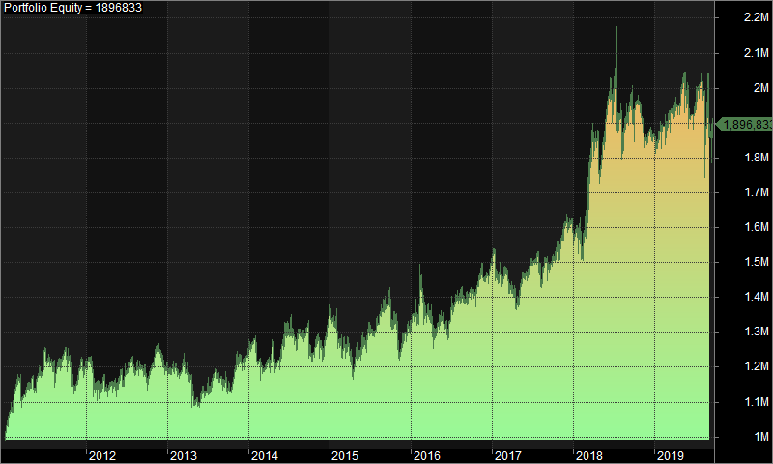
Statistics
 | All trades | Long trades | Short trades
Initial capital | 1000000 | 1000000 | 1000000
Ending capital | 1896833.27 | 1000000 | 1896833.27
Net Profit | 896833.27 | 0 | 896833.27
Net Profit % | 89.68% | 0.00% | 89.68%
Exposure % | 3.27% | 0.00% | 3.27%
Net Risk Adjusted Return % | 2738.89% | N/A | 2738.89%
Annual Return % | 7.60% | 0.00% | 7.60%
Risk Adjusted Return % | 232.25% | N/A | 232.25%
Total transaction costs | 1089896.44 | 0 | 1089896.44

All trades | 1337 | 0 (0.00 %) | 1337 (100.00 %)
Avg. Profit/Loss | 670.78 | N/A | 670.78
Avg. Profit/Loss % | 2.93% | N/A | 2.93%
Avg. Bars Held | 112.44 | N/A | 112.44

Winners | 622 (46.52 %) | 0 (0.00 %) | 622 (46.52 %)
Total Profit | 8076697.31 | 0 | 8076697.31
Avg. Profit | 12985.04 | N/A | 12985.04
Avg. Profit % | 38.22% | N/A | 38.22%
Avg. Bars Held | 171.56 | N/A | 171.56
Max. Consecutive | 7 | 0 | 7
Largest win | 108334.9 | 0 | 108334.9
# bars in largest win | 353 | 0 | 353 | 2. Underwater Equity

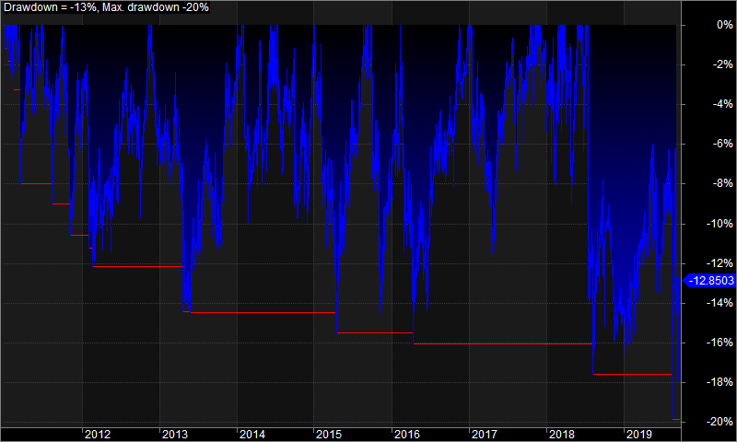
Losers | 715 (53.48 %) | 0 (0.00 %) | 715 (53.48 %)
Total Loss | -7179864.04 | 0 | -7179864.04
Avg. Loss | -10041.77 | N/A | -10041.77
Avg. Loss % | -27.76% | N/A | -27.76%
Avg. Bars Held | 61 | N/A | 61
Max. Consecutive | 9 | 0 | 9
Largest loss | -143729.25 | 0 | -143729.25
# bars in largest loss | 4 | 0 | 4

Max. trade drawdown | -143729.25 | 0 | -143729.25
Max. trade % drawdown | -97.12 | 0 | -97.12
Max. system drawdown | -432577.51 | 0 | -432577.51
Max. system % drawdown | -19.87% | 0.00% | -19.87%
Recovery Factor | 2.07 | N/A | 2.07
CAR/MaxDD | 0.38 | N/A | 0.38
RAR/MaxDD | 11.69 | N/A | 11.69
Profit Factor | 1.12 | N/A | 1.12
Payoff Ratio | 1.29 | N/A | 1.29
Standard Error | 123635.45 | 0 | 123635.45
Risk-Reward Ratio | 0.77 | N/A | 0.77
Ulcer Index | 7.32 | 0 | 7.32
Ulcer Performance Index | 0.3 | N/A | 0.3
Sharpe Ratio of trades | 0.85 | 0 | 0.85
K-Ratio | 0 | N/A | 0 | 3. Profit Table

 |  |  |  | Year | Jan | Feb | Mar | Apr | May | Jun | Jul | Aug | Sep | Oct | Nov | Dec | Yr%
 |  |  |  | 2011 | 7.90% | 8.40% | -4.20% | 3.00% | 2.10% | 5.60% | -2.70% | 0.70% | 0.30% | -3.70% | 0.40% | 2.60% | 21.40%
 |  |  |  | 2012 | -1.10% | -7.10% | 2.20% | -0.50% | 2.90% | 1.50% | 0.00% | 1.50% | -3.60% | 3.80% | 3.50% | -3.30% | -0.90%
 |  |  |  | 2013 | -0.90% | -0.80% | 0.60% | -5.40% | -0.60% | 0.80% | 4.90% | -2.50% | -1.70% | 5.20% | 2.80% | 0.80% | 2.80%
 |  |  |  | 2014 | 4.30% | -6.50% | 0.80% | 0.20% | 2.00% | 6.20% | -2.80% | 1.40% | -4.40% | 0.50% | 2.10% | 4.00% | 7.10%
 |  |  |  | 2015 | 0.30% | -4.00% | -0.40% | -5.20% | 4.10% | 4.10% | 1.70% | 3.80% | 2.10% | -4.60% | -3.70% | 1.00% | -1.50%
 |  |  |  | 2016 | 4.90% | 2.10% | -3.10% | -4.60% | 3.20% | 0.20% | 5.50% | -1.20% | 1.30% | 0.30% | 3.00% | 2.90% | 14.90%
 |  |  |  | 2017 | -2.30% | 0.60% | -4.00% | -1.40% | 5.20% | 1.80% | 1.60% | -0.60% | 0.40% | 0.80% | 5.60% | 0.40% | 7.90%
 |  |  |  | 2018 | -0.60% | 0.30% | 16.00% | -7.30% | 11.60% | 2.90% | -2.70% | -0.70% | -3.10% | 4.00% | -5.20% | 1.20% | 15.30%
 |  |  |  | 2019 | 0.80% | 0.60% | 2.40% | 2.90% | 0.60% | -3.60% | 5.40% | -0.80% | -5.90% | N/A | N/A | N/A | 1.70%
 |  |  |  | Avg | 1.50% | -0.70% | 1.10% | -2.00% | 3.40% | 2.20% | 1.20% | 0.20% | -1.60% | 0.80% | 1.10% | 1.20%

